KNN
KNN - Problem Statement
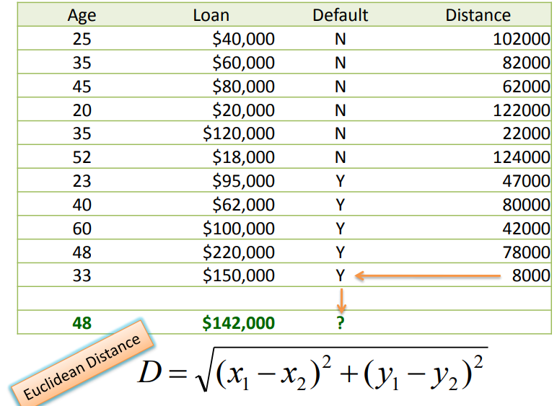

Neighbors | Age | Loan | Default | Distance
 | 25 | $40,000.00 | N | 102000
 | 35 | $60,000.00 | N | 82000
5 | 45 | $80,000.00 | N | 62000
 | 20 | $20,000.00 | N | 122000
2 | 35 | $120,000.00 | N | 22000
 | 52 | $18,000.00 | N | 124000
4 | 23 | $95,000.00 | Y | 47000
 | 40 | $62,000.00 | Y | 80000
3 | 60 | $100,000.00 | Y | 42000
 | 48 | $220,000.00 | Y | 78000
1 | 33 | $150,000.00 | Y | 8000

 | 48 | $142,000.00

 | Predictors | Age, Loan
 | Target | Default

 | Euclidean Distance | Sqrt[(x1 - X2)^2 + (y1 - y2)^2]

 |  | K=1 | K=2 | K=3 | K=4 | K=5
 | Euclidean Distance | 8000.01 | 22000.00 | 42000.00 | 47000.01 | 62000.00
 | Default | Y | N | Y | Y | Y

 | If K=1 then the Nearest Neighbor is the last case in the training set with Default = Y
 | Euclidean Distance between (48, $142,000) and (33, $150,000)
 | D = Sqrt[(48-33)^2 + (142000-150000)^2] = 8000.01

 | If K=2 then the Nearest Neighbor in the training set (Age = 35, Loan = $120,000) with Default = N
 | Euclidean Distance between (48, $142,000) and (35, $120,000)
 | D = Sqrt[(48-35)^2 + (142000-120000)^2] = 22000.00

 | If K=3 then the Nearest Neighbor in the training set (Age = 60, Loan = $100,000) with Default = Y
 | Euclidean Distance between (48, $142,000) and (60, $100,000)
 | D = Sqrt[(48-60)^2 + (142000-100000)^2] = 42000.00

 | If K=4 then the Nearest Neighbor in the training set (Age = 23, Loan = $95,000) with Default = Y
 | Euclidean Distance between (48, $142,000) and (23, $95,000)
 | D = Sqrt[(48-23)^2 + (142000-95000)^2] = 47000.01

 | If K=5 then the Nearest Neighbor in the training set (Age = 45, Loan = $80,000) with Default = Y
 | Euclidean Distance between (48, $142,000) and (45, $80,000)
 | D = Sqrt[(48-45)^2 + (142000-80000)^2] = 62000.00

